Sheet1
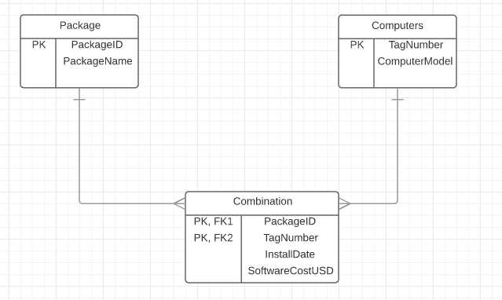
Part One: | Alex Millet and I collaborated on this lab
The primary key of this table would be a combination of the PackageID and TagNumber because this creates a unique combination. This allows the data to be seen in a unique way.

PackageID | TagNumber | InstallDate | SoftwareCostUSD
AC01 | 32808 | 2005-09-13 | 754.95
DB32 | 32808 | 2005-12-03 | 380
DB32 | 37691 | 2005-06-15 | 380
DB33 | 57772 | 2005-05-27 | 412.77
WP08 | 32808 | 2006-01-12 | 185
WP08 | 37691 | 2005-06-15 | 227.5
WP08 | 57222 | 2005-05-27 | 170.24
WP09 | 59836 | 2005-10-30 | 35
WP09 | 77740 | 2005-05-27 | 35

I would suggest normalizing the data; it seems to be a good start but would be much more efficient if each piece of data had its own cell.

Part 2:
PackageID | TagNumber | InstallDate | SoftwareCostUSD | PackageName | ComputerModel
AC01 | 32808 | 2005-09-13 | 754.95 | Zork | Apple
DB32 | 32808 | 2005-12-03 | 380 | Portal | Apple
DB32 | 37691 | 2005-06-15 | 380 | Portal | HP
DB33 | 57772 | 2005-05-27 | 412.77 | Ofiice | IBM
WP08 | 32808 | 2006-01-12 | 185 | McCafe | Apple
WP08 | 37691 | 2005-06-15 | 227.5 | McCafe | HP
WP08 | 57222 | 2005-05-27 | 170.24 | McCafe | IBM
WP09 | 59836 | 2005-10-30 | 35 | Visio | Lenovo
WP09 | 77740 | 2005-05-27 | 35 | Visio | Acer

Functional Dependencies: When given the primary key, one knows the specific data for that row (InstallDate, SoftwareCostUSD, PackageName, ComputerModel)
Primary Key --> InstallDate, SoftwareCostUSD, PackageName, ComputerModel

In this database, the primary key is composed of two dependencies PackageID and TagNumber which violates a rule in 2nd Normal Form(partial key dependencies). Since it is not in second normal form it it cannot be in 3rd normal form.

Part Three:
PackageID | PackageName | Primary key: PackageID |  |  |  | TagNumber | ComputerModel | Primary Key: TagNumber
AC01 | Zork | Functional Dependencies |  |  |  | 32808 | Apple | Functional Dependencies
DB32 | Portal | PackageID --> PackageName |  |  |  | 37691 | HP | TagNumber --> ComputerModel
DB33 | Office |  |  |  |  | 57772 | IBM
WP08 | McCafe |  |  |  |  | 59836 | Lenovo
WP09 | Visio |  |  |  |  | 77740 | Acer
 | \ |  |  |  |  |  | /
 | \ |  |  |  |  | /
 | \ |  |  |  |  | /
 | ^ |  |  |  |  | ^
 | PackageID | TagNumber | InstallDate | SoftwareCostUSD | PackageName | ComputerModel | Primary Key: PackageID & TagNumber
 | AC01 | 32808 | 2005-09-13 | 754.95 | Zork | Apple | Functional Dependencies
 | DB32 | 32808 | 2005-12-03 | 380 | Portal | Apple | PackageID, TagNumber --> InstallDate, SoftwareCostUSD, PackageName, ComputerModel
 | DB32 | 37691 | 2005-06-15 | 380 | Portal | HP
 | DB33 | 57772 | 2005-05-27 | 412.77 | Ofiice | IBM
 | WP08 | 32808 | 2006-01-12 | 185 | McCafe | Apple
 | WP08 | 37691 | 2005-06-15 | 227.5 | McCafe | HP
 | WP08 | 57222 | 2005-05-27 | 170.24 | McCafe | IBM
 | WP09 | 59836 | 2005-10-30 | 35 | Visio | Lenovo
 | WP09 | 77740 | 2005-05-27 | 35 | Visio | Acer

The tables are in third normal form due to each table being dependent on one single key (primary key) and it also abides to the rules of the 2nd and 1st normal form. Every cell is atomic and the table that is composed of the two primary keys contains data that can be uniquely identifies by the combination of these keys.

ERD:

